Dashboard
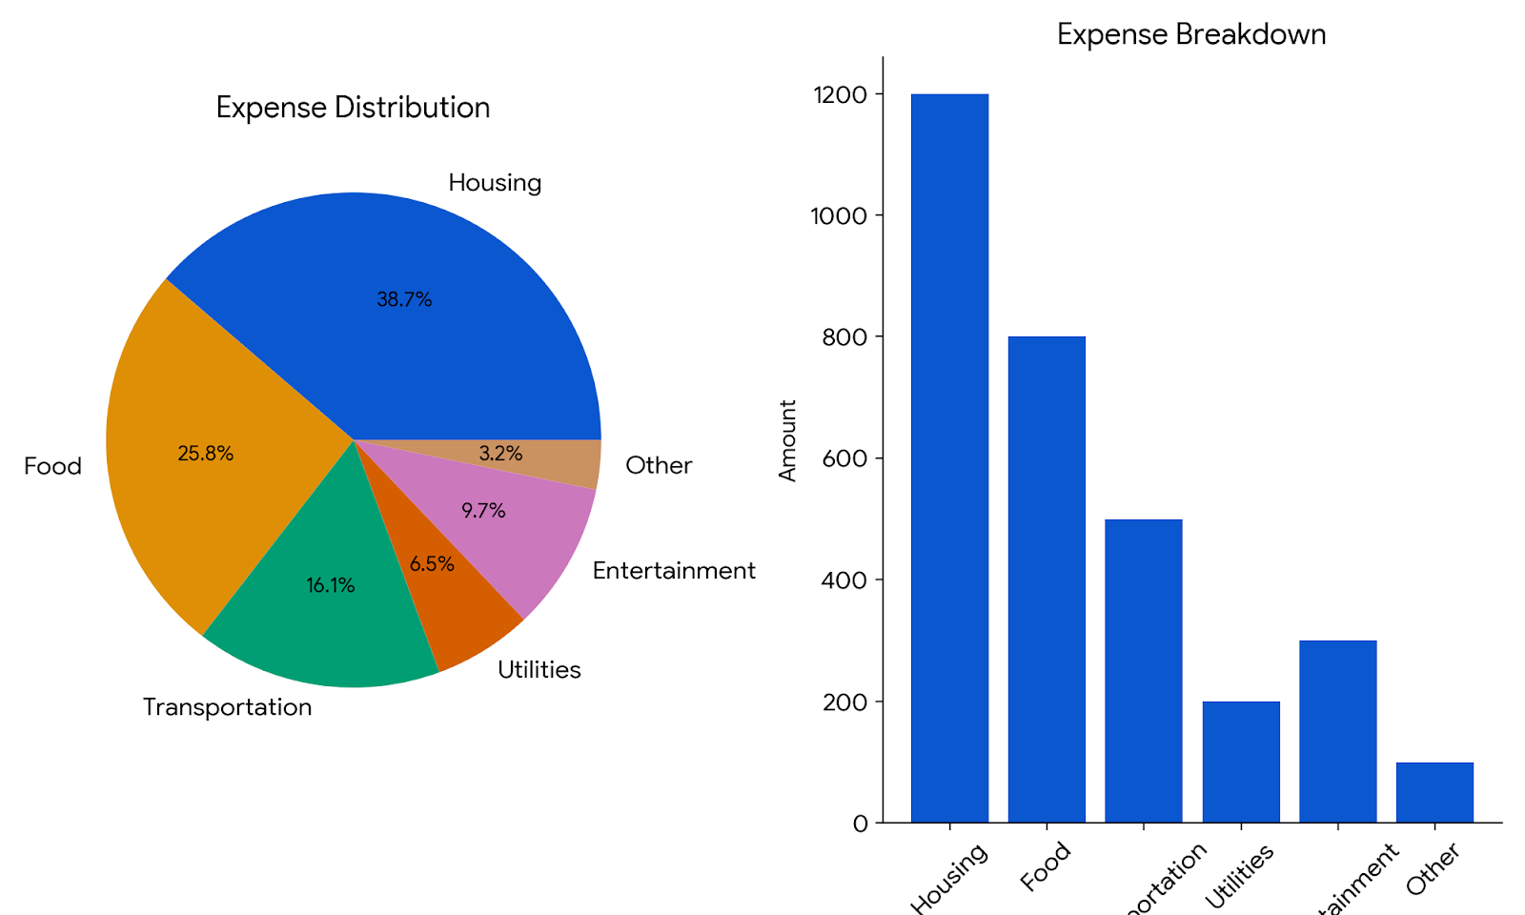
Students Expense Dashboard

total expenses vs. montly income total

 |  | Category | Total Expense
 |  | books supplies | 504114
 |  | Entertainment | 503742
 |  | Financial aid | 504623
 |  | Food | 252642
 |  | Health wellness | 502689
 |  | Housing | 504988
 |  | miscellaneous | 502335
 |  | Personal care | 503356
 |  | Technology | 502958
 |  | Transportation | 504403

 | montly income total | total expenses
 | 1020650 | 4785850

